Equipment
Equipment
Gloves
Balance/Scale
Portion Cups of Varying Sizes - 2 oz souffle - 8 oz deli container - 16 oz deli container - 32 oz deli container |  
Mixing Bowls | 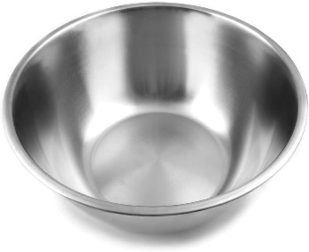
Large Metal Pan
Wooden Spoon | 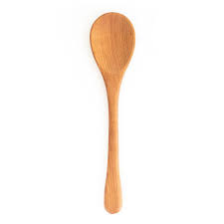
Rubber Spatula | 
Crockpot, 3 qt | 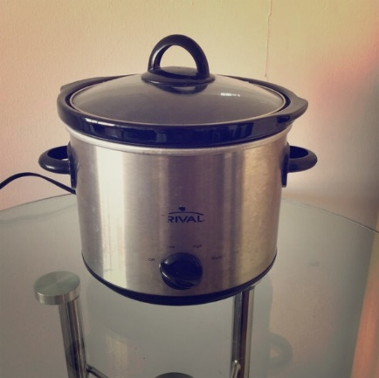

Ingredients
Ingredient needs for 1 batch of OG 001v Taco Meat |  |  | Ingredient needs for 1 batch of IP 001v Taco Meat |  |  | Ingredient needs for 1 batch of IPS 002v Taco Meat
Ingredient | Image | Amount Needed | Ingredient | Image | Amount Needed | Ingredient | Image | Amount Needed
Ground Beef, 80/20, raw | 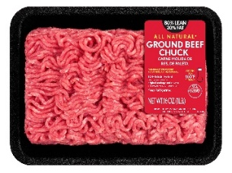 | 677.6 g | Ground Beef, 95/5, raw |  | 667.6 g | Ground Beef, 95/5, raw |  | 667.6 g
Vegetable Oil | 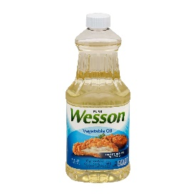 | 37.7 g | Vegetable Oil |  | 37.7 g | Vegetable Oil |  | 37.7 g
Garlic, fresh, grated | 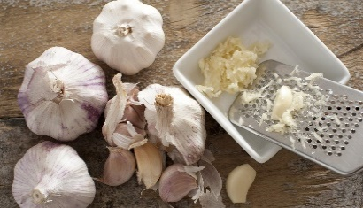 | 8.1 g | Garlic, fresh, grated | 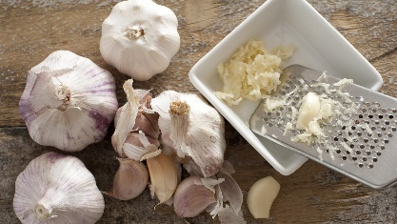 | 8.1 g | Garlic, fresh, grated |  | 8.1 g
Iodized Salt |  | 7.3 g | Iodized Salt |  | 3 g | Iodized Salt |  | 3 g
Chili Powder |  | 10.1 g | Chili Powder |  | 10.1 g | Chili Powder |  | 15 g
Cumin |  | 0.5 g | Cumin |  | 0.5 g | Cumin |  | 2 g
Black Pepper, shaker grind |  | 0.2 g | Black Pepper, shaker grind |  | 0.2 g | Black Pepper, shaker grind |  | 0.5 g
Salt-Free Tortilla Chips | 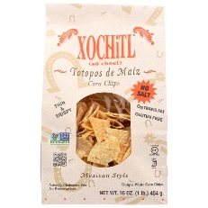 | ~ 3 each | Water |  | 118 g | Garlic Powder |  | 2 g
 |  |  | Salt-Free Tortilla Chips |  | ~ 3 each | Onion Powder |  | 3 g
 |  |  |  |  |  | Coriander |  | 1 g
 |  |  |  |  |  | Paprika |  | 4.5 g
 |  |  |  |  |  | Cayenne Pepper | 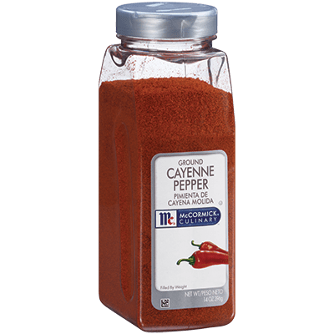 | 0.25 g
 |  |  |  |  |  | Mexican Oregano | 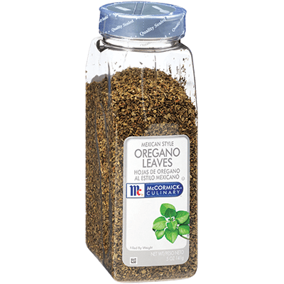 | 0.5 g
 |  |  |  |  |  | Water |  | 118 g
 |  |  |  |  |  | Salt-Free Tortilla Chips |  | ~ 3 each

Original
Procedure for OG 001v Taco Meat
YIELD: 1 pound, 15 portions
1. Collect and scale all ingredients individually: - Ground Beef, 80/20, raw 677.6g - Vegetable Oil 37.7g - Garlic, fresh, grated 8.1g - Iodized Salt 7.3g - Chili Powder 10.1g - Cumin 0.5g - Black Pepper 0.2g | 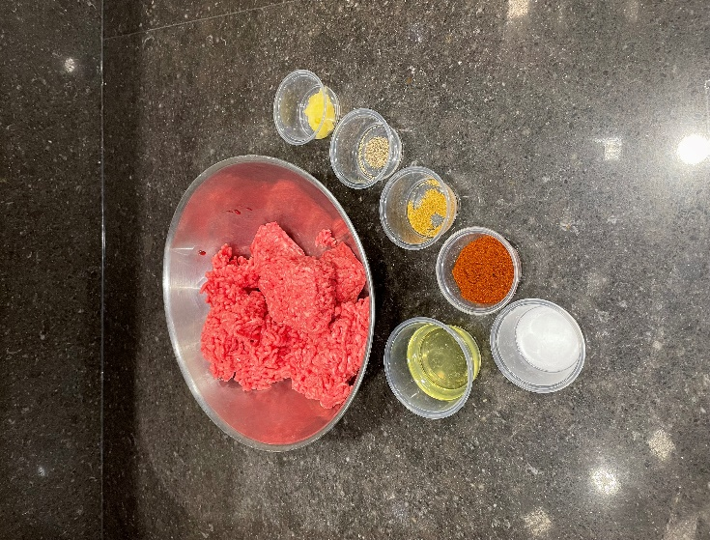
2. In a large metal pan over medium heat, add oil and beef. Cook for 8-10 minutes, using a wooden spoon to break up the beef, until no longer pink. | 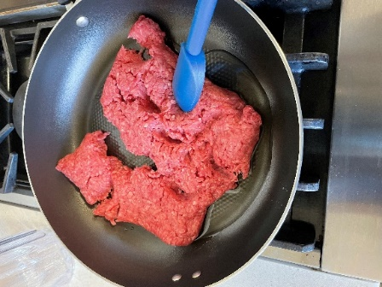 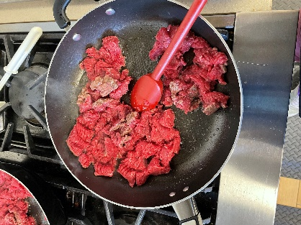
3. Add garlic and spices to the cooked meat. Stir until evenly distributed and spices are fragrant. Remove from heat and transfer to crockpot. | 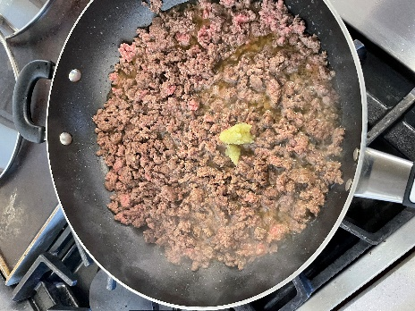 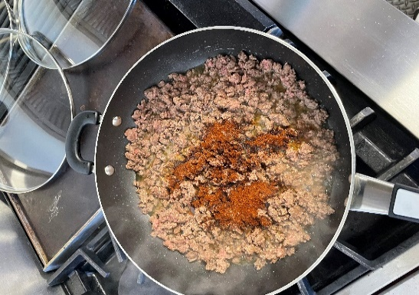
4. TO SERVE: Hold in a 3-qt Crockpot on warm, internal temperature of 165˚F, for up to 1 hour. Serve 2 Tbsps with Salt-free Corn Chips.

Nutritionally Improved
Procedure for IP 001v Taco Meat
YIELD: 1 pound, 15 portions
1. Collect and scale all ingredients individually: - Ground Beef, 95/5, raw 676.6g - Vegetable Oil 37.7g - Garlic, fresh, grated 8.1g - Iodized Salt 3g - Chili Powder 10.1g - Cumin 0.5g - Black Pepper 0.2g - Water 118g | 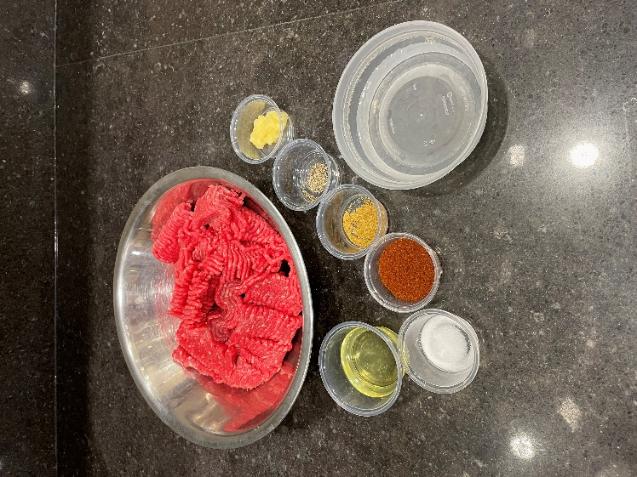
2. In a large metal pan over medium heat, add oil and beef. Cook for 8-10 minutes, using a wooden spoon to break up the beef, until no longer pink. | 
3. Add garlic and spices to the cooked meat. Stir until evenly distributed. | 
4. Add water and continue cooking for another 5 minutes, until most (but not all) of the water has evaporated. Remove from heat and transfer to a crockpot. | 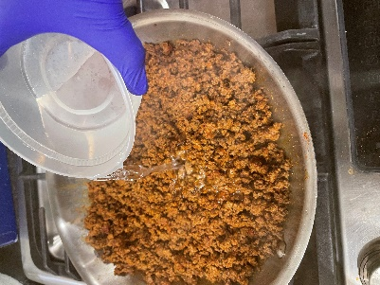 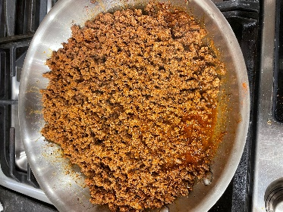
6. TO SERVE: Hold in a 3-qt Crockpot at 165˚F for up to 1 hour. Serve 2 Tbsp with Salt-free Corn Chips.

Flavor Enhanced Nutritionally I
Procedure for IPS 002v Taco Meat
YIELD: 1 pound, 15 portions
1. Collect and scale all ingredients individually: - Ground Beef, 95/5, raw 667.6g - Vegetable Oil 37.7g - Garlic, fresh, grated 8.1g - Iodized Salt 3g - Chili Powder 15g - Cumin 2g - Black Pepper 0.5g - Garlic Powder 2g - Onion Powder 3g - Coriander 1g - Paprika 4.5g - Cayenne Pepper 0.25g - Mexican Oregano 0.5g - Water 118g | 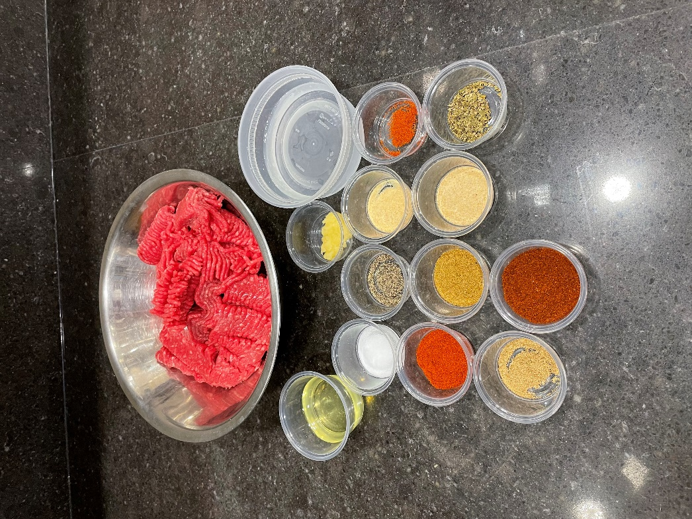
2. In a large metal pan over medium heat, add oil and beef. Cook for 8-10 minutes, using a wooden spoon to break up the beef, until no longer pink. | 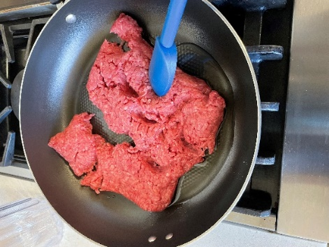
3. Add garlic and spices to the cooked meat. Stir until evenly distributed. | 
5. Add water and continue cooking for another 5 minutes, until most (but not all) of the water has evaporated. Remove from heat and transfer to crockpot.
6. TO SERVE: Hold in a 3-qt Crockpot at 165˚F for up to 1 hour. Serve 2 Tbsp with Salt-free Corn Chips.

